Border
Border - RIE A3
Event Description:
Value Stream Name:
VSA #: (Ex: 1 = Launching VSA, 2 = first VSA Refresh) |  | RIE #: (since last VSA) | Revision:
Office of Transformation:
Gemba: Ex: 4 East Oncology |  |  | Cost Center (Optional):
Event Start Date: |  | Event Report Out:

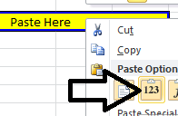
A3 Filename: (Take from here when saving the file) |  | N/A | scroll right for key points on how to copy the file name when saving. | Key Points for copying the A3 file name:
Executive Sponsor | Enter in the Team tab |  |  | 1)Copy the yellow cell
Process Owner
Team Leader |  |  |  | 2) Right-click in the yellow cell below labeled "paste here" and select "Paste Values" (see image)
Deployment Leader
Sensei

 |  |  |  | Paste Here

 |  |  |  | 3) Click the pasted filename in the yellow box

 |  |  |  | 4) Select ALL text in the function section at the top of the worksheet

 |  |  |  | 5) Right-click the highlighted text and select "Copy"

 |  |  |  | 6) Click Save As

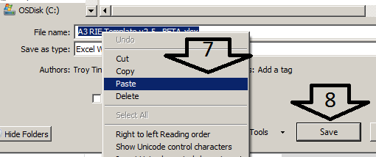
 |  |  |  | 7) Right-click the file name box and select paste

 |  |  |  | 8) Locate where you'd like the file to be saved and click "Save"

Metric Charts(BETA)
RIE A3
RN communication domain
 | After Event | Goal
1900-01-07 |  | 0.00
1900-01-14 |  | 0.00
1900-01-21 |  | 0.00
1900-01-28 |  | 0.00
1900-02-04 |  | 0.00
1900-02-11 |  | 0.00
1900-02-18 |  | 0.00
1900-02-25 |  | 0.00
1900-03-03 |  | 0.00
1900-03-10 |  | 0.00
1900-03-17 |  | 0.00
1900-03-24 |  | 0.00
1900-03-31 |  | 0.00
 |  | 0.00
 |  | 0.00
MD communication domain
 | After Event | Goal
1900-01-07 |  | 0.00
1900-01-14 |  | 0.00
1900-01-21 |  | 0.00
1900-01-28 |  | 0.00
1900-02-04 |  | 0.00
1900-02-11 |  | 0.00
1900-02-18 |  | 0.00
1900-02-25 |  | 0.00
1900-03-03 |  | 0.00
1900-03-10 |  | 0.00
1900-03-17 |  | 0.00
1900-03-24 |  | 0.00
1900-03-31 |  | 0.00
 |  | 0.00
 |  | 0.00

Discharge domain
 | After Event | Goal
1900-01-07
1900-01-14
1900-01-21
1900-01-28
1900-02-04
1900-02-11
1900-02-18
1900-02-25
1900-03-03
1900-03-10
1900-03-17
1900-03-24
1900-03-31
Discharge domain
 | After Event | Goal
1900-01-07 |  | 0.00
1900-01-14 |  | 0.00
1900-01-21 |  | 0.00
1900-01-28 |  | 0.00
1900-02-04 |  | 0.00
1900-02-11 |  | 0.00
1900-02-18 |  | 0.00
1900-02-25 |  | 0.00
1900-03-03 |  | 0.00
1900-03-10 |  | 0.00
1900-03-17 |  | 0.00
1900-03-24 |  | 0.00
1900-03-31 |  | 0.00
Care transition domain
 | After Event | Goal
1900-01-07
1900-01-14
1900-01-21
1900-01-28
1900-02-04
1900-02-11
1900-02-18
1900-02-25
1900-03-03
1900-03-10
1900-03-17
1900-03-24
1900-03-31
Care transition domain
 | After Event | Goal
1900-01-07 |  | 0.00
1900-01-14 |  | 0.00
1900-01-21 |  | 0.00
1900-01-28 |  | 0.00
1900-02-04 |  | 0.00
1900-02-11 |  | 0.00
1900-02-18 |  | 0.00
1900-02-25 |  | 0.00
1900-03-03 |  | 0.00
1900-03-10 |  | 0.00
1900-03-17 |  | 0.00
1900-03-24 |  | 0.00
1900-03-31 |  | 0.00

Why is this only printing one chart? - If a chart is selected when you print, only that chart will print. Click the yellow cell below then attempt to print. Ensure "Print Active Sheets" is selected on the print screen.

MD communication domain
 | After Event | Goal
1900-01-07
1900-01-14
1900-01-21
1900-01-28
1900-02-04
1900-02-11
1900-02-18
1900-02-25
1900-03-03
1900-03-10
1900-03-17
1900-03-24
1900-03-31

A3 Starter Guide
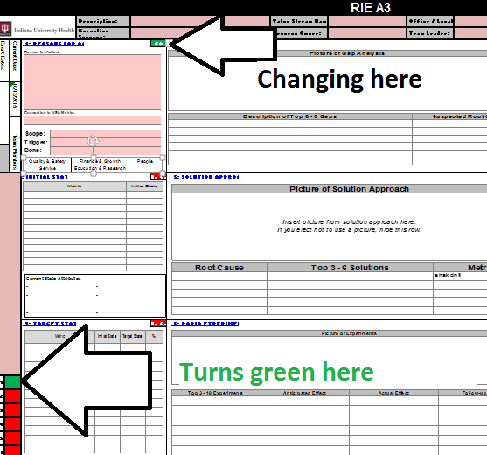

How do I use this A3 template?
Go to A3 tab (Leave this quick start guide)
Click for Quality Standards

1) Navigate using the tabs below
 | a) The "A3" tab is for viewing & printing only! Populate the A3's information in the "Box #" tabs below
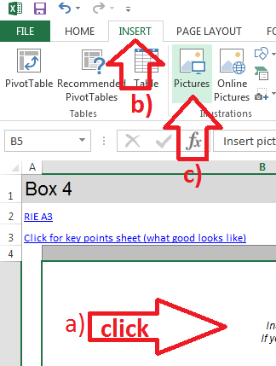
2) To insert pictures
 | a) Select the cell IN THE box # tab you are updating
 | b) Select Insert tab in ribbon
 | c) Select "Pictures"
 | d) Browse to your picture
 | e) Click enter

3) To hide unused rows |  | 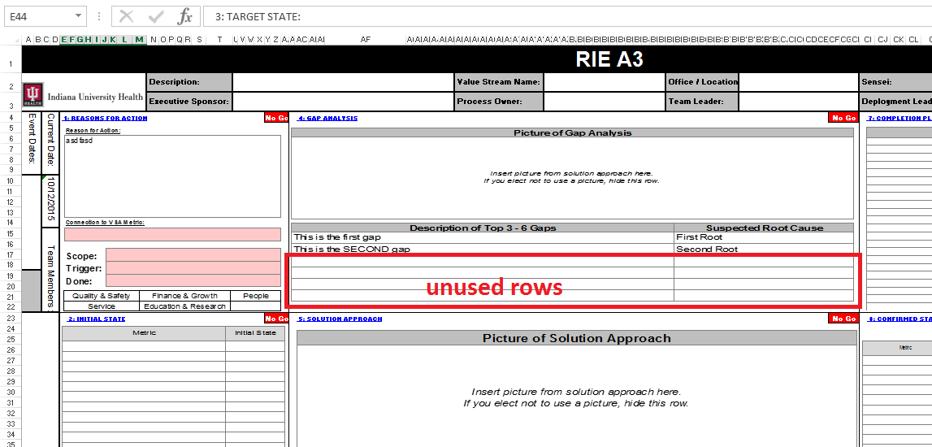
 | a) Highlight the rows in the "Box x" tab you are not using
 | b)Right-click the group on the left side
 | c) Select "Hide"
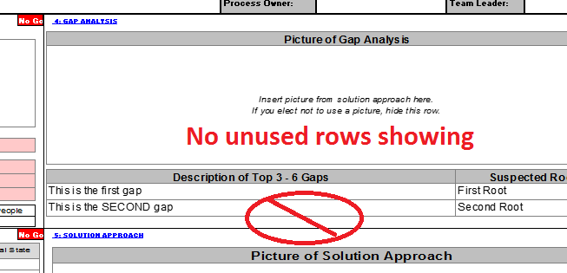
 | d) Rows now hidden on A3 tab as well |  | 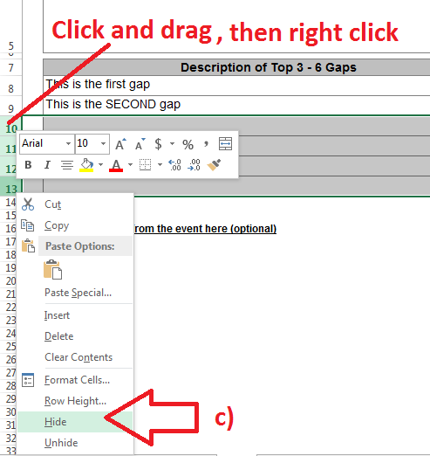

4) To change Andons on main A3 page

